Dashboard
Workplace Mental Health Disclosure And Support Dashboard

OSMI Mental Health in Tech Survey | Main story: treatment-seeking is common, but workplace disclosure comfort remains much lower.

Survey responses 1259 | Sought treatment 637 respondents (50.6%) | Know benefits 477 respondents (37.9%) | Any work interference 782 respondents (62.1%)

Supervisor comfort 516 respondents (41.0%) | Coworker comfort 225 respondents (17.9%) | Interpretation: benefit/care-option awareness, work interference, and perceived consequences are strongly associated with treatment-seeking or disclosure comfort. Results are associations, not causal claims.

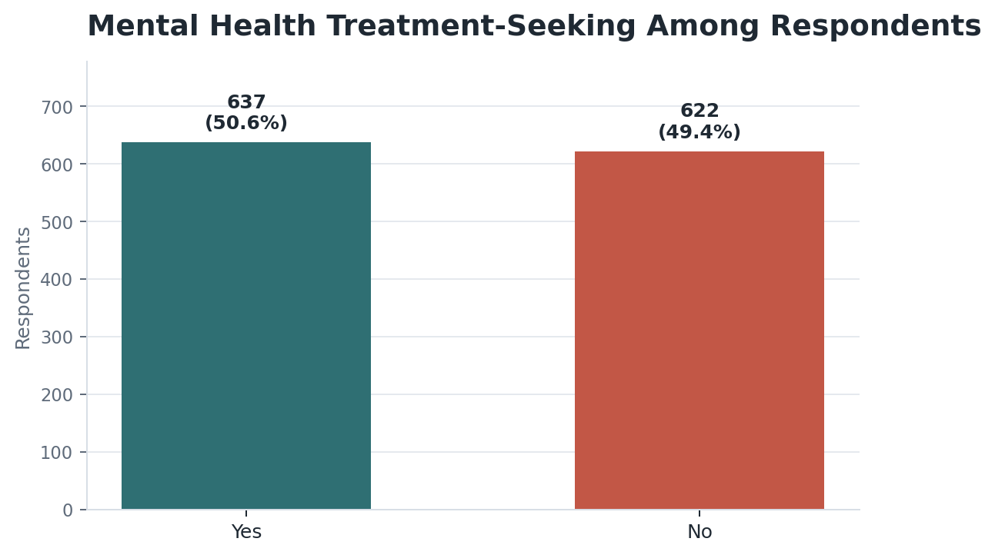
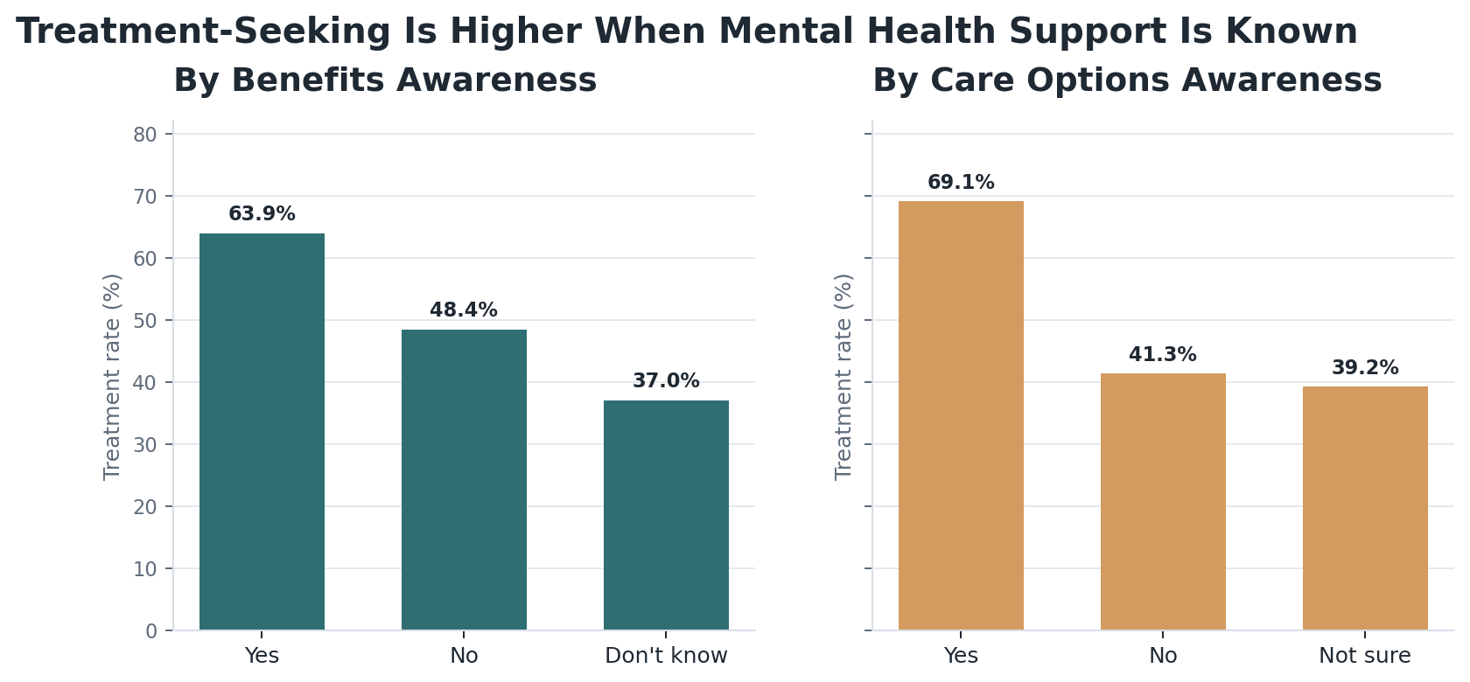

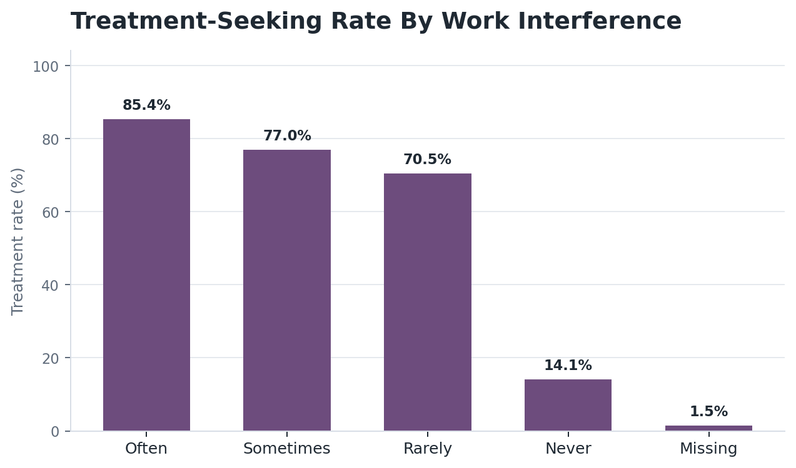
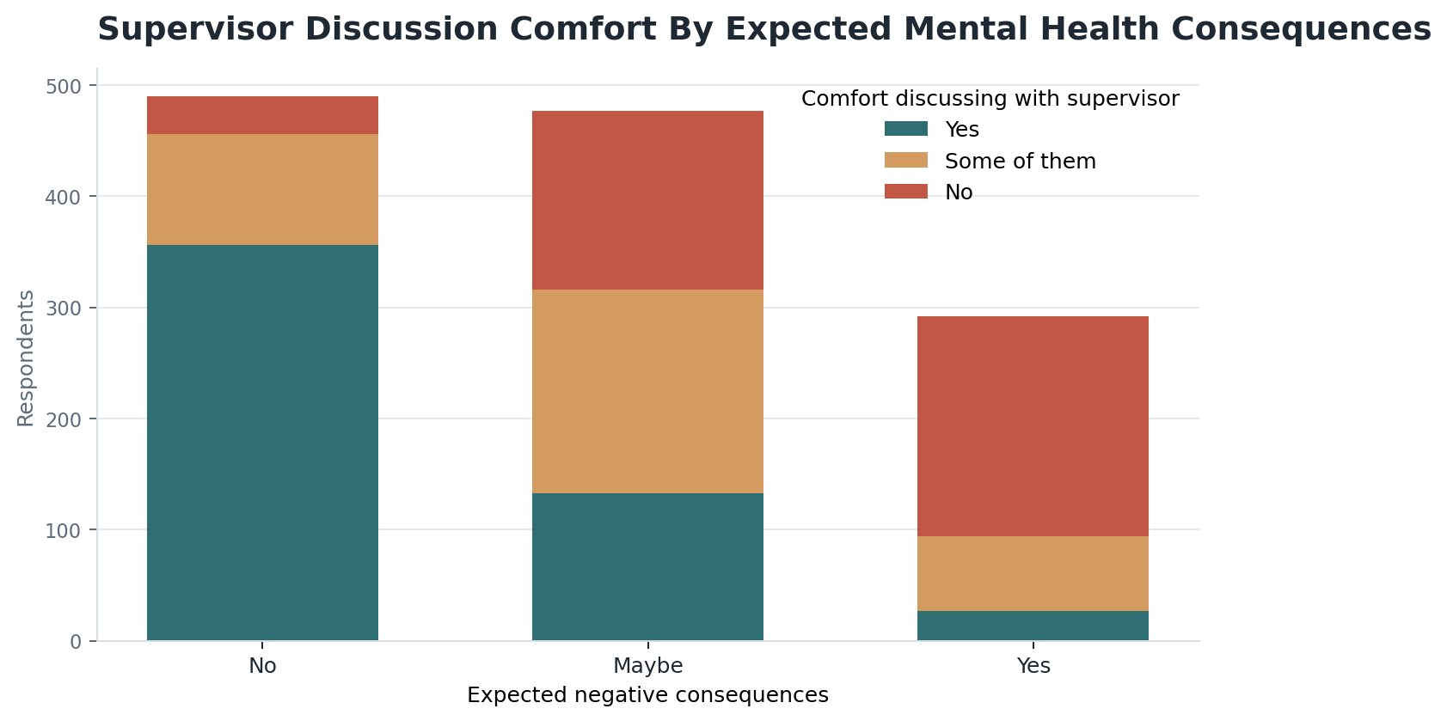

Dashboard source: OSMI Mental Health in Tech Survey via Kaggle. Use Additional_Charts, Source_Tables, Hypothesis_Tests, and Model sheets for audit details.

Additional_Charts
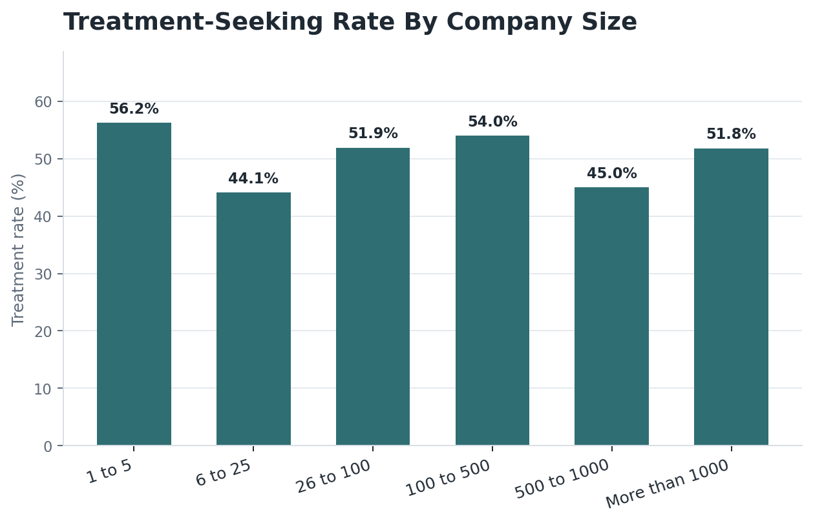
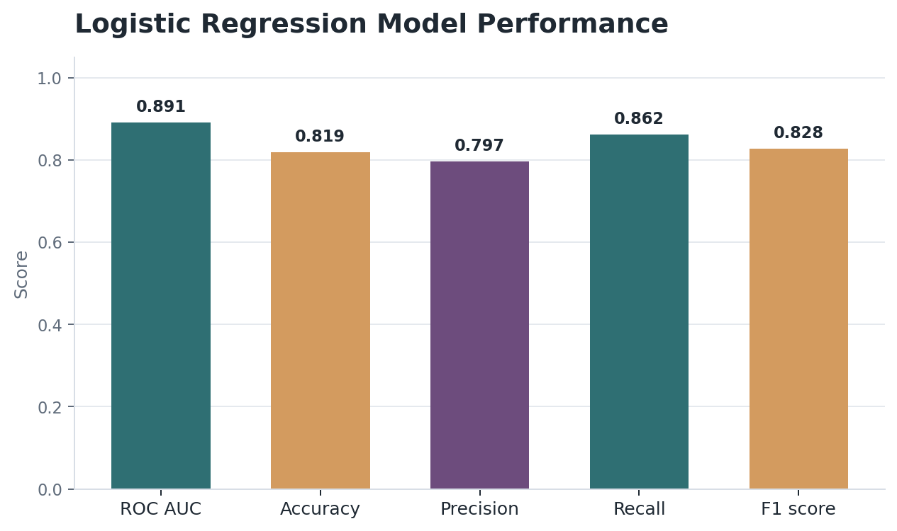
Additional Dashboard Charts
Supporting visuals used in the written report and dashboard audit.

